Jan
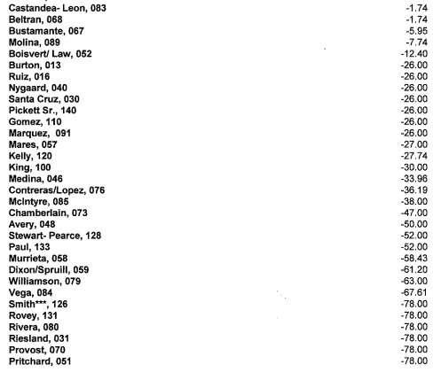
 | $44,592.00
Past Due |  |  | Paid in Advance
 |  |  |  |  |  | Status | # of Homeowners
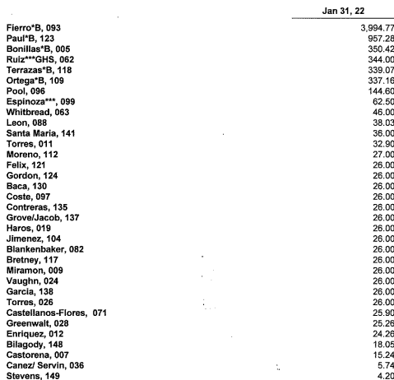
 |  |  |  | $1.74 |  | Past Due More Than $500 | 2
 |  |  |  | $1.74 |  | Past Due More Than $100 | 6
 | $3,994.77 |  |  | $5.95 |  | Past Due Less Than $100 | 31
 | $957.28 | $4,952.05 |  | $7.74
 | $350.42 |  |  | $12.40 |  | Paid in Advance Less Than $100 | 41
 | $344.00 |  |  | $26.00 |  | Paid in Advance More Than $100 | 2
 | $339.07 |  |  | $26.00
 | $337.16 |  |  | $26.00
 | $144.60 | $1,515.25 |  | $26.00
 | $62.50 |  |  | $26.00
 | $46.00 |  |  | $26.00
 | $38.03 |  |  | $26.00
 | $36.00 |  |  | $27.00
 | $32.90 |  |  | $27.74
 | $27.00 |  |  | $30.00
 | $26.00 |  |  | $33.96
 | $26.00 |  |  | $36.19
 | $26.00 |  |  | $38.00
 | $26.00 |  |  | $47.00
 | $26.00 |  |  | $50.00
 | $26.00 |  |  | $52.00
 | $26.00 |  |  | $52.00
 | $26.00 |  |  | $58.43
 | $26.00 |  |  | $61.20
 | $26.00 |  |  | $63.00
 | $26.00 |  |  | $67.51
 | $26.00 |  |  | $78.00
 | $26.00 |  |  | $78.00
 | $26.00 |  |  | $78.00
 | $25.90 |  |  | $78.00
 | $25.26 |  |  | $78.00

 | $24.26 |  |  | $78.00
 | $18.05 |  |  | $78.00
 | $15.24 |  |  | $78.00
 | $5.74 |  |  | $78.00
 | $4.20 | $2,240.33 |  | $78.00
 |  | $8,707.63 |  | $78.00
 |  |  |  | $78.00
 |  |  |  | $78.00
 |  |  |  | $78.00
 |  |  |  | $78.00
 |  |  |  | $78.95
 |  |  |  | $91.95
 |  |  |  | $96.00 | $2,292.50
 |  |  |  | $114.77
 |  |  |  | $153.00
 |  |  |  | $183.00 | $450.77

Feb
 | Feb. 28,2022
Past Due |  |  | Paid in Advance

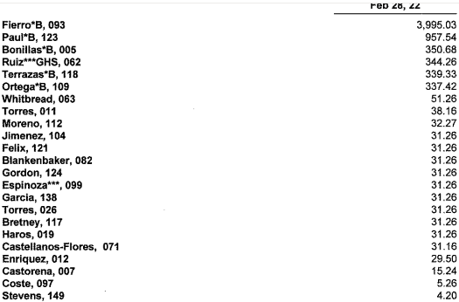
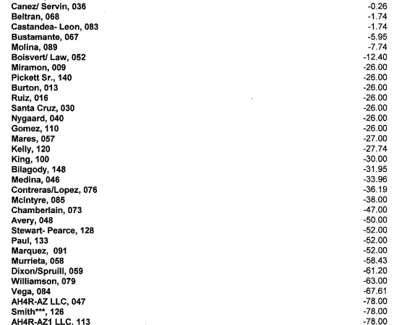
 |  |  |  | $0.23
 | $3,995.00 |  |  | $1.74
 | $957.54 | $4,952.54 |  | $1.74
 | $350.68 |  |  | $5.95
 | $344.26 |  |  | $7.74
 | $339.33 |  |  | $12.40
 | $337.42 | $1,371.69 |  | $26.00
 | $51.26 |  |  | $26.00
 | $38.16 |  |  | $26.00
 | $32.27 |  |  | $26.00
 | $31.26 |  |  | $26.00
 | $31.26 |  |  | $26.00
 | $31.26 |  |  | $26.00
 | $31.26 |  |  | $27.00
 | $31.26 |  |  | $27.74
 | $31.26 |  |  | $30.00
 | $31.26 |  |  | $31.95
 | $31.26 |  |  | $33.96
 | $31.26 |  |  | $33.95
 | $31.16 |  |  | $36.19
 | $29.50 |  |  | $38.00
 | $15.24 |  |  | $47.00
 | $5.26 |  |  | $50.00
 | $4.20 | $488.39 |  | $52.00
 |  | 6812.62 |  | $52.00
 |  |  |  | $52.00
 |  |  |  | $58.43
 |  |  |  | $61.20
 |  |  |  | $63.00
 |  |  |  | $67.61
 |  |  |  | $78.00
 |  |  |  | $78.00
 |  |  |  | $78.00

 |  |  |  | $78.00
 |  |  |  | $78.00
 |  |  |  | $78.00
 |  |  |  | $78.00
 |  |  |  | $78.00
 |  |  |  | $78.00
 |  |  |  | $78.00
 |  |  |  | $78.00
 |  |  |  | $78.00
 |  |  |  | $78.00
 |  |  |  | $78.00
 |  |  |  | $78.00
 |  |  |  | $78.00
 |  |  |  | $78.59
 |  |  |  | $78.95
 |  |  |  | $91.96
 |  |  |  | $96.00 | $2,567.33
 |  |  |  | $114.77
 |  |  |  | $153.00
 |  |  |  | $183.00 | $450.77
 |  |  |  |  | 3018.1

Apr

 | April 30,2021
Past Due |  | Paid in Advance

